Finding the Model Account Size
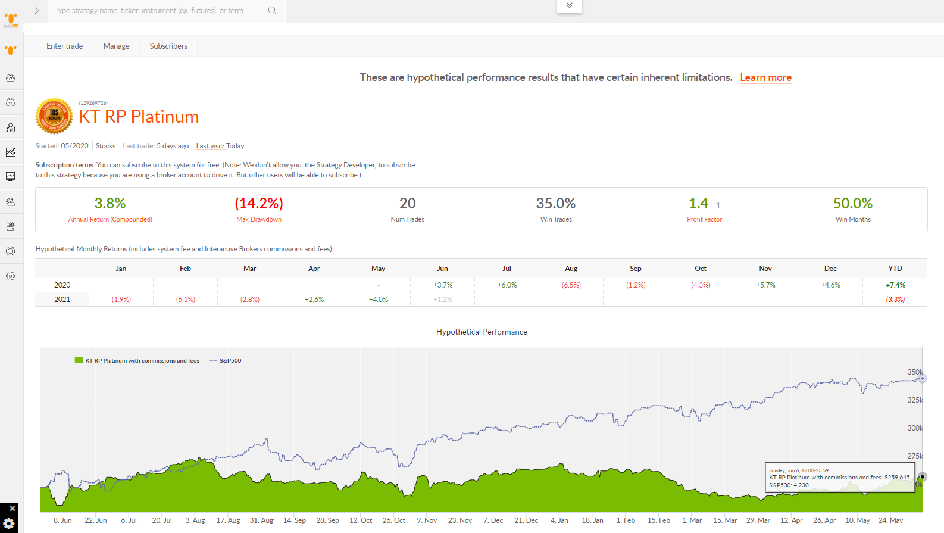
Model Account Size | $259,645

